TREND_LOOK_PRODUCT
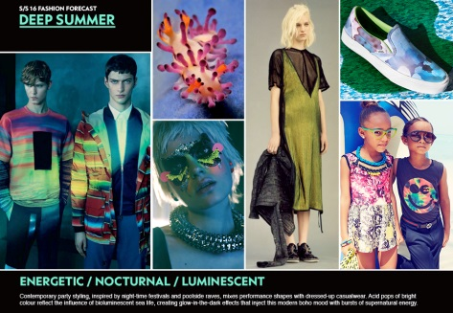
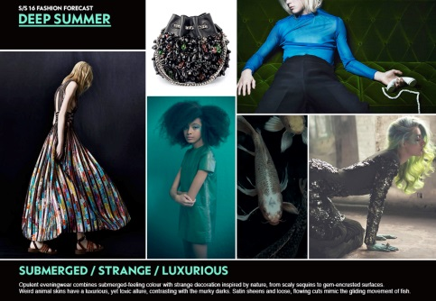
Macro Trend | Runway Look | Product | Designer | Net-a-Porter USD$ | CDN$ | TPS (Gst) | TVQ QST | Total
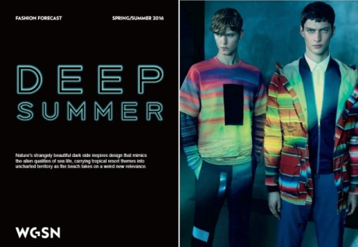 |  | 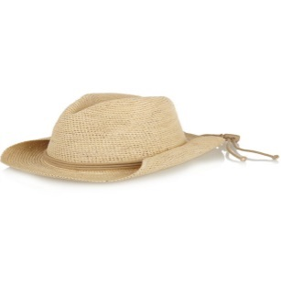 | Sensi Studio | $130 | $170.30 | $8.52 | $17.03 | $195.85
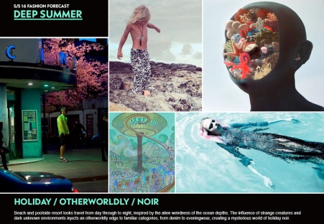 | 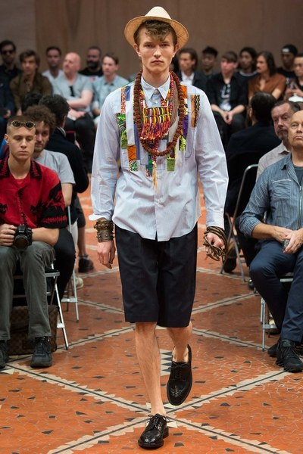 |  | Mih Jeans | $185.00 | $242.35 | $8.52 | $17.88 | $196.70
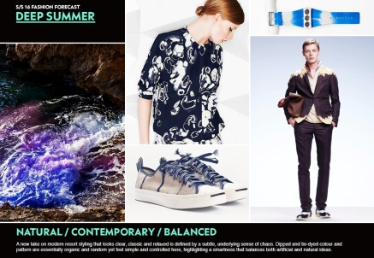 |  | 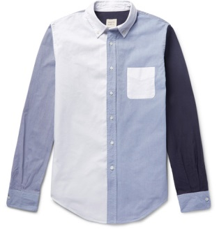 | Wooster + Lardini | $205.00 | $268.55 | $13.43 | $28.20 | $310.18
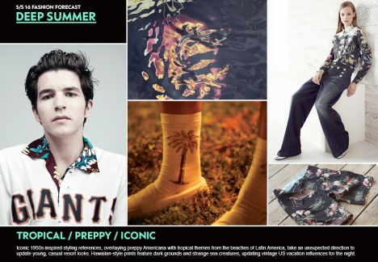 |  | 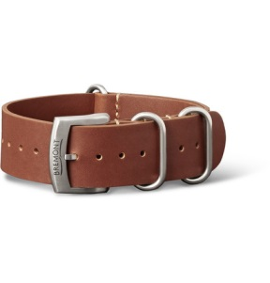 | Bremont | $255.00 | $334.05 | $16.70 | $35.08 | $385.83
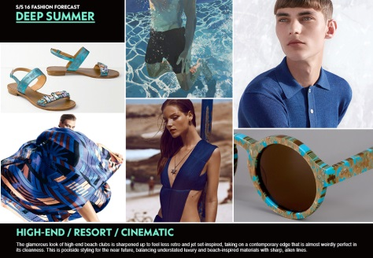 |  | 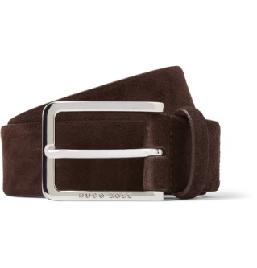 | Hugo Boss | $120.00 | $157.20 | $7.86 | $16.51 | $181.57
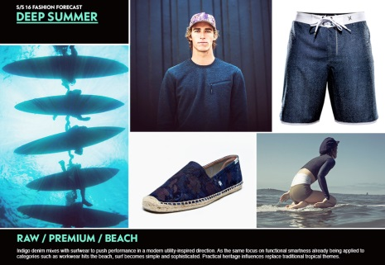 |  |  | James Perse | $175.00 | $229.25 | $11.46 | $24.07 | $264.78
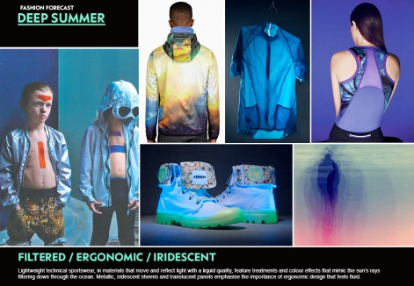 |  | 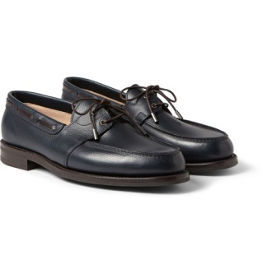 | John Lobb | $1,090.00 | $1,427.90 | $71.40 | $149.93 | $1,649.22
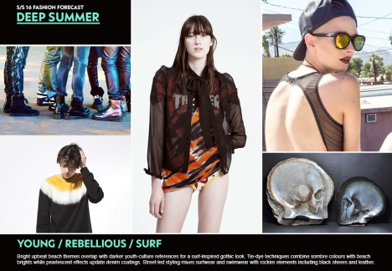 |  |  |  |  |  |  |  | $3,184.12

